Dashboard
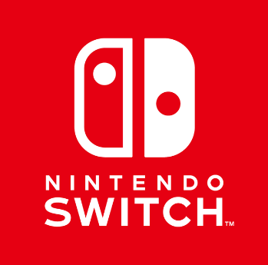
Bem vinda Polaris

R$ 3.442,00
Total de assinaturas por Console
R$ 11.635,00
Total de assinaturas Nintendo Switch

 | Total
Nintendo Switch 2 | R$833.00
Nintendo Switch Oled | R$455.00
Nintendo Switch v1 | R$1,166.00
Nintendo Switch v2 | R$988.00
 | Total
Nintendo Family Plan | R$3,223.00
Nintendo Online + Expansion Pack | R$6,001.00
Nintendo Online Basic | R$2,411.00

